Sheet1
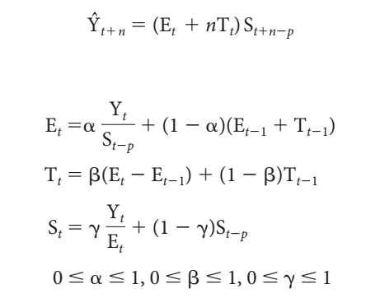
 |  | Time | Actual Claims | Base level Et | Trend Factor Tt | Seasonal Factor St | Forecast |  | alpha | 0.12996493206
Year | Month | Period |  |  |  |  |  |  | beta | 0.30987434858 | MSE | #DIV/0!
2004 | 1 | 1 | 1040 | -- | -- | 3.1675126904 |  |  | gamma | 0.56218515084
 | 2 | 2 | 370 | -- | -- | 1.1269035533
 | 3 | 3 | 380 | -- | -- | 1.1573604061 |  | 48.a | The optimal values of alpha, beta and gamma are obtained in the table above.
 | 4 | 4 | 200 | -- | -- | 0.60913705584
 | 5 | 5 | 20 | -- | -- | 0.060913705584
Comparision of original data and predicted data
 | Actual Claims | Forecast
 | 1040
 | 370
 | 380
 | 200
 | 20
 | 30
 | 0
 | 10
 | 90
 | 510
 | 680
 | 610
 | 670
 | 430 | 1040
 | 410 | 347.59082179
 | 280 | 365.94891348
 | 200 | 195.48002355
 | 30 | 20.973063612
 | 0 | 77.665201435
 | 0 | 0
 | 120 | 0
 | 580 | 0
 | 810 | 0
 | 850 | 0
 |  | 0
 | 6 | 6 | 30 | -- | -- | 0.091370558376
 | 7 | 7 | 0 | -- | -- | 0
 | 8 | 8 | 10 | -- | -- | 0.030456852792
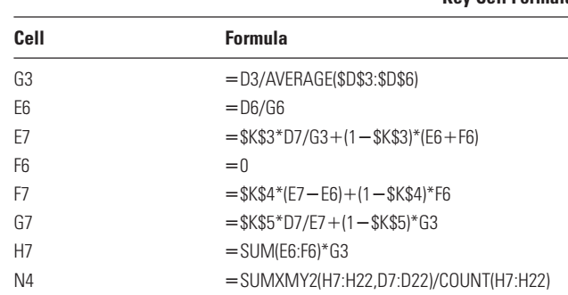
 | 9 | 9 | 90 | -- | -- | 0.27411167513
 | 10 | 10 | 510 | -- | -- | 1.5532994924
 | 11 | 11 | 680 | -- | -- | 2.0710659898
 | 12 | 12 | 610 | 328.33333333 | 0 | 1.8578680203
2005 | 1 | 13 | 670 | 313.15201298 | -4.7043017537 | 2.5895994502 | 1040
 | 2 | 14 | 430 | 317.95189925 | -1.7591976834 | 1.2536775808 | 347.59082179
 | 3 | 15 | 410 | 321.13938579 | -0.22634713085 | 1.2244537103 | 365.94891348
 | 4 | 16 | 280 | 338.9461445 | 5.3616497932 | 0.73110474546 | 195.48002355
 | 5 | 17 | 200 | 726.27804879 | 123.72443358 | 0.18148157592 | 20.973063612
 | 6 | 18 | 30 | 782.20378686 | 102.71535698 | 0.061564973623 | 77.665201435
 | 7 | 19 | 0 | #DIV/0! | #DIV/0! | #DIV/0! | 0
 | 8 | 20 | 0 | #DIV/0! | #DIV/0! | #DIV/0! | #DIV/0!
 | 9 | 21 | 120 | #DIV/0! | #DIV/0! | #DIV/0! | #DIV/0!
 | 10 | 22 | 580 | #DIV/0! | #DIV/0! | #DIV/0! | #DIV/0! | 48.b | The line graph comparing the predictions against the original data is given above.
 | 11 | 23 | 810 | #DIV/0! | #DIV/0! | #DIV/0! | #DIV/0!
 | 12 | 24 | 850 | #DIV/0! | #DIV/0! | #DIV/0! | #DIV/0!
2006 | 1 | 25 | -- |  |  |  | #DIV/0!
 | 2 | 26 | -- |  |  |  | #DIV/0! | 48.c | The forecast for each month in 2006 using this technique is given in the table above in Forecast column in red text.
 | 3 | 27 | -- |  |  |  | #DIV/0!
 | 4 | 28 | -- |  |  |  | #DIV/0!
 | 5 | 29 | -- |  |  |  | #DIV/0!
 | 6 | 30 | -- |  |  |  | #DIV/0!

